EN
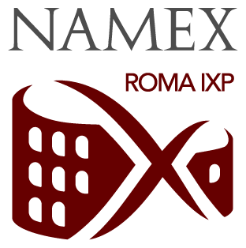 CROSS-CONNECT ACTIVATION REQUEST
The undersigned (full name) ______________________________________ as (title) ______________________________________
On behalf of the below specified COMPANY, a full member of the Consortium, requests the activation of the below listed services as provided by the Consortium
COMPANY NAME |  |  | COMPANY DEPT.
COMPANY CONTACT |  |  | NAMEX CONTACT
COMPANY ORDER REF. |  |  | NAMEX ORDER REF.
NOTES

DATACENTER (The order will NOT be processed unless ONE datacenter is selected)
☐ | Caesar | Cineca - Via dei Tizii, 6B - 00185 Roma (RM)
☐ | Augustus | Unidata - Viale Alexandre Gustave Eiffel, 100 - 00148 Roma (RM)
☐ | Tiberius | Digital Realty - Via di Tor Cervara, 282 - 00155 Roma (RM)
☐ | Claudius | Cloud Europe - Via Giacomo Peroni, 292 - 00155 Roma (RM)
☐ | Bari | Namex - Viale Donato De Leonardis, 19 - 70132 Zona Industriale Bari (BA)
☐ | Napoli | Università Partenope - Via Generale Parisi, 13 - 80132 Napoli NA

CROSS CONNECTS DETAILS
A - PROVIDER END (ordering company) |  |  | B - CUSTOMER END (providing LoA) |  | C - RESERVED
REQ (*) | MMR DEMARC | PRE-CABLING INFO / NOTES | COMPANY NAME | MMR DEMARC | NAMEX ID

(*) - A = Activation; C = Cancellation Hereby the undersigned declares that he/she is fully aware of the Namex Technical Regulations. All cross-connects passing through the Meet-Me MPO Infrastructure are charged a recurring monthly fee according to the Namex official price list for the current year
Prices available on the dedicated web page: https://www.namex.it/pricing/#private-network-interconnects
PROVIDER APPROVAL signature |  |  | NAMEX APPROVAL signature
date (dd mm yyyy) |  |  | completion date

NOTE: FILLED-IN FORM MUST BE SUBMITTED TO <support@namex.it> FOR PROCESSING

